Template
GEN ED OBJECTIVES: PHYS 238
Texas Southern University |  |  |  | Description of Assignment |  |  |  |  |  | Discussion of Findings. Please provide a short narrative on student performance that gives context to the data. Including anything notable about the semester and student performance. Include any information on areas of strength and/or weakness for students. This is used to improve the General Education-Core Curriculum.
 |  |  |  | SLO 1.4:
Professor Name: |  |  |  | SLO 1.5:
Semester: |  | Spring 2019 |  | SLO 1.6: |  |  |  |  |  | XXXX | Fall 2018
Course Subject and No.: |  | PHYS 238 |  | SLO 2.1: |  |  |  |  |  |  | Spring 2019
Course Section(s): |  | xxx-xxx |  | SLO 2.3: |  |  |  |  |  |  | Summer I 2019
No. of Students Assessed: |  | 0 |  | SLO 3.1: |  |  |  |  |  |  | Summer II 2019
Component Area: |  | 3-Life and Physical Sciences |  | SLO 3.2:
 |  |  |  | SLO 3.3:
 |  |  |  | SLO 4.1:
 |  | 3
Core | Use code NA for any student who did not complete the assessment for any reason.
Objectives | CT | CT | CT | COM | COM | EQS | EQS | EQS | TW
Student | SLO 1.4: | SLO 1.5: | SLO 1.6: | SLO 2.1: | SLO 2.3: | SLO 3.1: | SLO 3.2: | SLO 3.3: | SLO 4.1:
Example | 3 | 2 | 4 | na | 4 | na | 4 | 2 | 4
 |  |  |  |  |  |  |  |  |  | **For students who fall below the "minimal (1)" standard please mark zero.
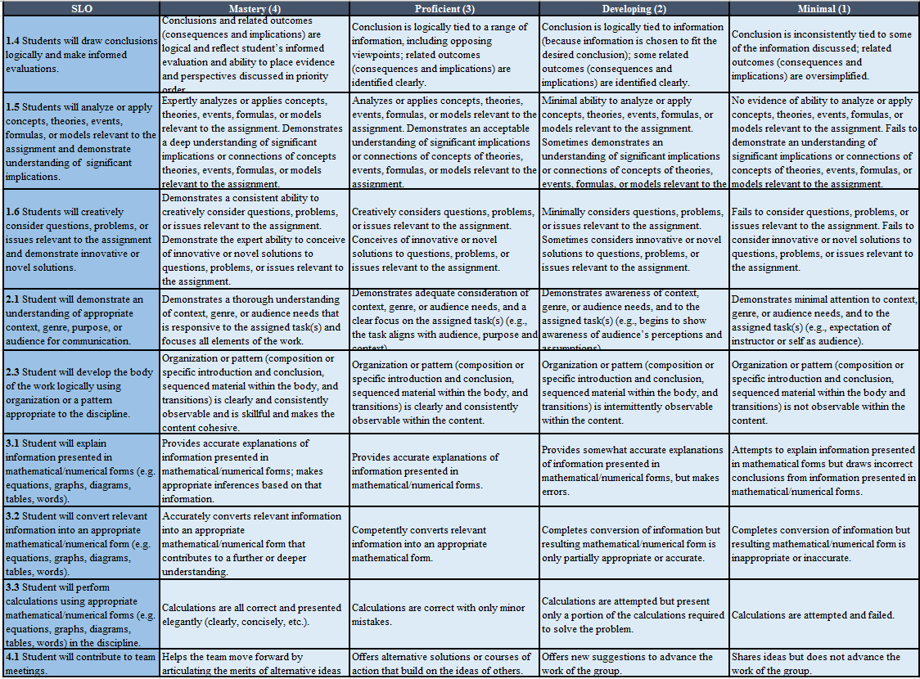
 |  |  |  |  |  |  |  |  |  |  |  | 1-Communication
 |  |  |  |  |  |  |  |  |  |  |  | 2- Mathematics
 |  |  |  |  |  |  |  |  |  |  |  | 3-Life and Physical Sciences
 |  |  |  |  |  |  |  |  |  |  |  | 4- Language and Philosophy
 |  |  |  |  |  |  |  |  |  |  |  | 5- Creative Arts
 |  |  |  |  |  |  |  |  |  |  |  | 6- American History
 |  |  |  |  |  |  |  |  |  |  |  | 7-Government/Political Science
 |  |  |  |  |  |  |  |  |  |  |  | 8-Social and Behavior Sciences
 |  |  |  |  |  |  |  |  |  |  |  | 9-Institutional Option

