Template
GEN ED OBJECTIVES: BIOL 135
Texas Southern University |  |  |  | Description of Assignment |  |  |  |  |  | Discussion of Findings. Please provide a short narrative on student performance that gives context to the data. Including anything notable about the semester and student performance. Include any information on areas of strength and/or weakness for students. This is used to improve the General Education-Core Curriculum.
 |  |  |  | SLO 1.4:
Professor Name: |  |  |  | SLO 1.5:
Semester: |  | Spring 2019 |  | SLO 1.6: |  |  |  |  |  | XXXX | Fall 2018
Course Subject and No.: |  | BIOL 135 |  | SLO 2.2: |  |  |  |  |  |  | Spring 2019
Course Section(s): |  | xxx-xxx |  | SLO 2.3: |  |  |  |  |  |  | Summer I 2019
No. of Students Assessed: |  | 0 |  | SLO 3.1: |  |  |  |  |  |  | Summer II 2019
Component Area: |  | 3-Life and Physical Sciences |  | SLO 3.2:
 |  |  |  | SLO 4.1:
 |  | 3
Core | Use code NA for any student who did not complete the assessment for any reason.
Objectives | CT | CT | CT | COM | COM | EQS | EQS | TW
Student | SLO 1.4: | SLO 1.5: | SLO 1.6: | SLO 2.2: | SLO 2.3: | SLO 3.1: | SLO 3.2: | SLO 4.1:
Example | 3 | 2 | 4 | na | 1 | 4 | 5 | 3
1 |  |  |  |  |  |  |  |  | **For students who fall below the "minimal (1)" standard please mark zero.
2
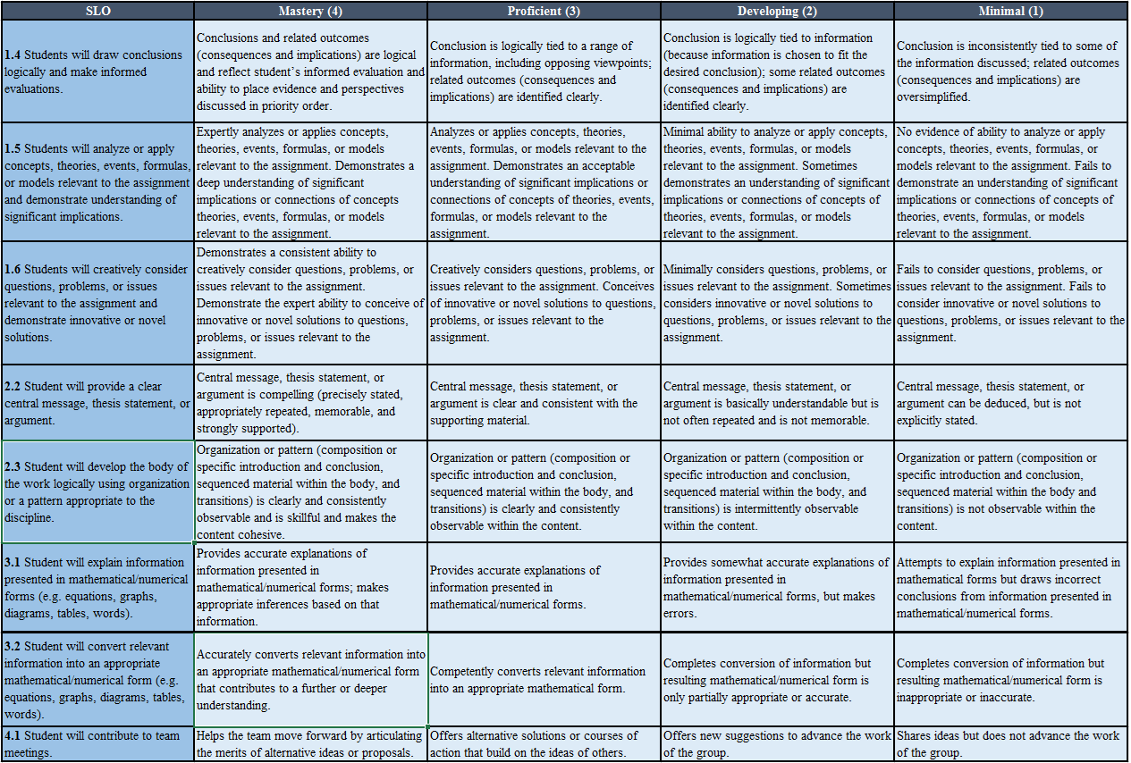
3 |  |  |  |  |  |  |  |  |  |  |  | 1-Communication
4 |  |  |  |  |  |  |  |  |  |  |  | 2- Mathematics
5 |  |  |  |  |  |  |  |  |  |  |  | 3-Life and Physical Sciences
6 |  |  |  |  |  |  |  |  |  |  |  | 4- Language and Philosophy
7 |  |  |  |  |  |  |  |  |  |  |  | 5- Creative Arts
8 |  |  |  |  |  |  |  |  |  |  |  | 6- American History
9 |  |  |  |  |  |  |  |  |  |  |  | 7-Government/Political Science
10 |  |  |  |  |  |  |  |  |  |  |  | 8-Social and Behavior Sciences
11 |  |  |  |  |  |  |  |  |  |  |  | 9-Institutional Option
12
13
14
15
16
17
18
19
20
21
22
23
24
25
26
27
28
29
30
31
32
33
34
35
36
37
38
39
40
41
42
43
44
45
46
47
48
49
50
51
52
53
54
55
56
57
58
59
60
61
62
63
64
65
66
67
68
69
70
71
72
73
74
75
76
77
78
79
80
81
82
83
84
85
86
87
88
89
90
91
92
93
94
95
96
97
98
99
100
101
102
103
104
105
106
107
108
109
110
111
112
113
114
115
116
117
118
119
120
121
122
123
124
125
126
127
128
129
130
131
132
133
134
135
136
137
138
139
140
141
142
143
144
145
146
147
148
149
150
151
152
153
154
155
156
157
158
159
160
161
162
163
164
165
166
167
168
169
170
171
172
173
174
175
176
177
178
179
180
181
182
183
184
185
186
187
188

